Dashboard
SALES BOARD (South America)
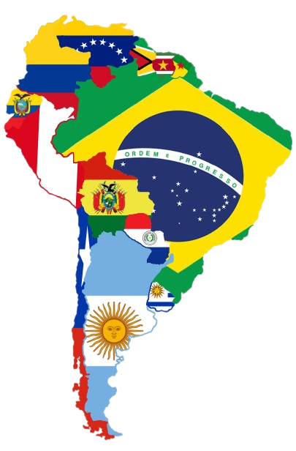

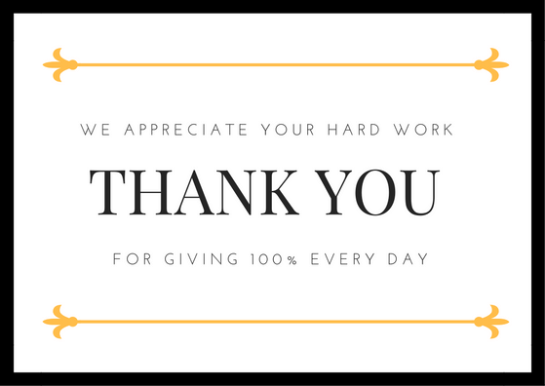

CUSTOMER SATISFACTION

Customer Satisfaction
Speed (54%) | 54%
Quality (86%) | 86%
Hygene (93%) | 93%
Service (53%) | 53%
Availability (95%) | 95%


TARGET PROFITS
SALES FIGURES

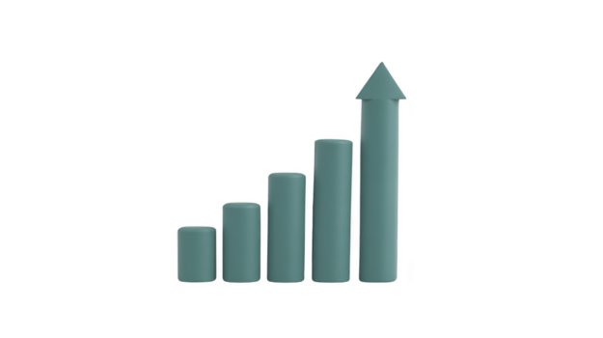

Sales Figures
 | Argentina | Colombia | Brazil | Ecuador | Peru | Chile | Bolivia
 | 953.3 | 432.4 | 553.2 | 445.1 | 425.1 | 253.6 | 387.5
Target Profits!
 | Actual | Target | % Complete | Remainder
 | $890 | $1,000 | 89% | 11%

YEARLY EARNINGS




Yearly Earnings
 | Jan | Feb | Mar | Apr | May | Jun | Jul | Aug | Sep | Oct | Nov | Dec
 | 201.9 | 204.2 | 198.6 | 199.2 | 206.4 | 195.3 | 192.4 | 186.3 | 194.2 | 199 | 205.2 | 204.3
 | 215.3 | 217.6 | 220.1 | 206.4 | 204.3 | 203 | 201.5 | 200.6 | 210.6 | 216.4 | 222.3 | 225.8

RAW SALES
CUSTOMER TARGET SALES


Customer Target Sales
 | Actual | Target | % Complete | Remainder
 | 87.0 | 100.0 | 87% | 13%
Raw Sales
 | Actual | Target | % Complete | Remainder
 | $2,544 | $3,000 | 85% | 15%

